Sheet1
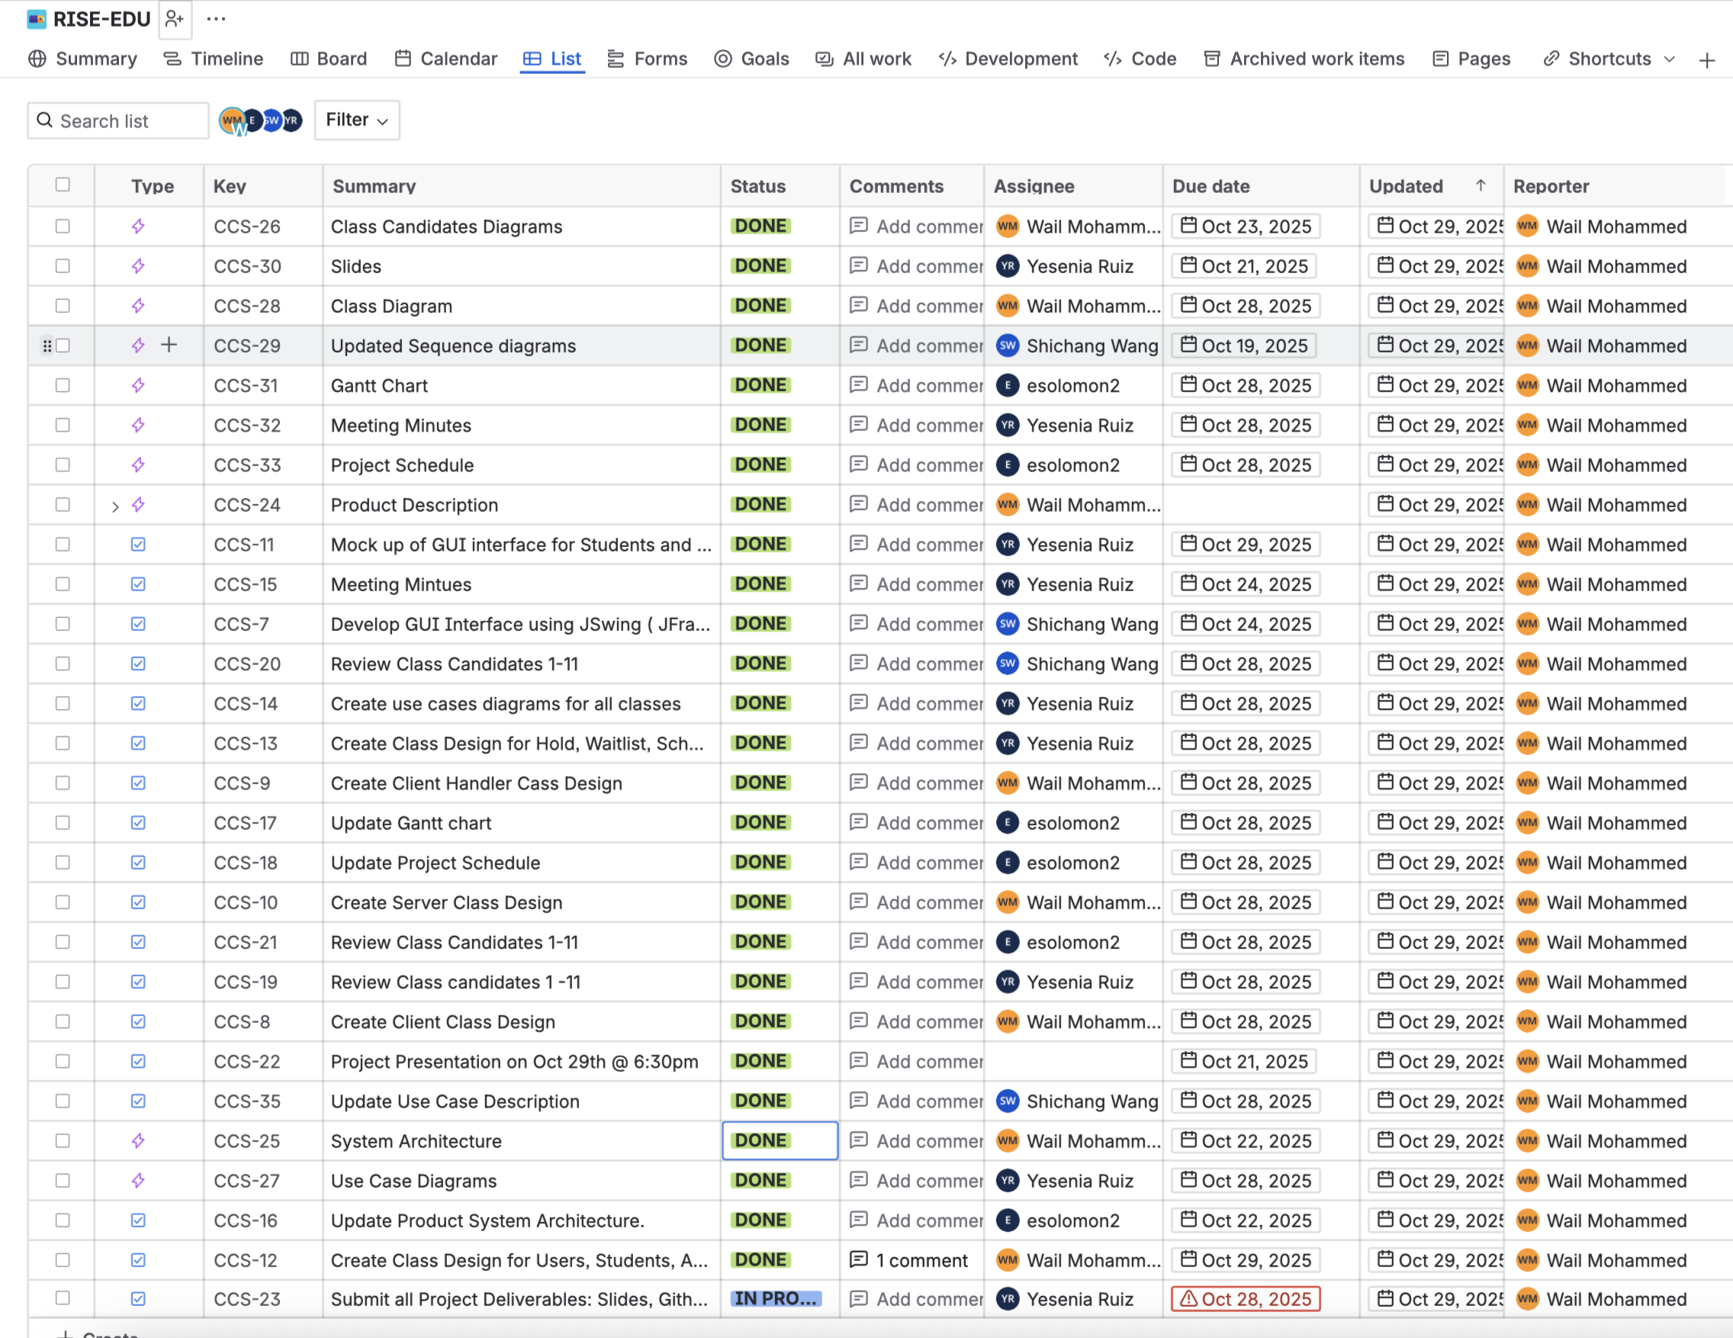
Group 6 Project Schedule |  |  |  | Phase 2 Project Schedule
Week | Monday | Wednesday | Stages
1 | 2025-08-18 | 2025-08-20 | Getting to know the team / Start of the project
2 | 2025-08-25 | 2025-08-27 | Gathering Requirements
3 | 2025-09-01 | 2025-09-03 | First Project Presentation
4 | 2025-09-08 | 2025-09-10 | Assessing Requirements & shaping SRS version
5 | 2025-09-15 | 2025-09-17 | Reviewing SRS and Acknowledgment
6 | 2025-09-22 | 2025-09-24 | Finalizing SRS & Phase 1 Project Presentation
7 | 2025-09-29 | 2025-10-01 | Second Project Presentation - Phase 1 Deadline: Submission of Project Phase 1 Delieverables (End of Requirements Phase)
8 | 2025-10-06 | 2025-10-08 | Designing of System Architecture
9 | 2025-10-13 | 2025-10-15 | Designing Classes, Interfaces & Building up Components
10 | 2025-10-20 | 2025-10-22 | UML Diagrams, Prototyping for GUI
11 | 2025-10-27 | 2025-10-29 | Third Project Presentation - Phase 2 Deadline: Submission of Project Phase 2 Delieverables (End of Design Phase - Phase 2)
12 | 2025-11-03 | 2025-11-05
13 | 2025-11-10 | 2025-11-12
14 | 2025-11-17 | 2025-11-19
15 | 2025-11-24 | 2025-11-26
16 | 2025-12-01 | 2025-12-03 | Final Project Presentation - Phase 3 Deadline: Submission of Project Phase 3 Delieverables (End of Implementation Phase)
17 | 2025-12-08 | 2025-12-10

